Sheet1
1 User validation by setting up frontend https://huggingface.co/spaces/wangliting/oxfordpets - use randomly chosen pictures of different breeds online |  | 2 Validation by comparing to benchmark
Screenshot of validation result | Accuracy
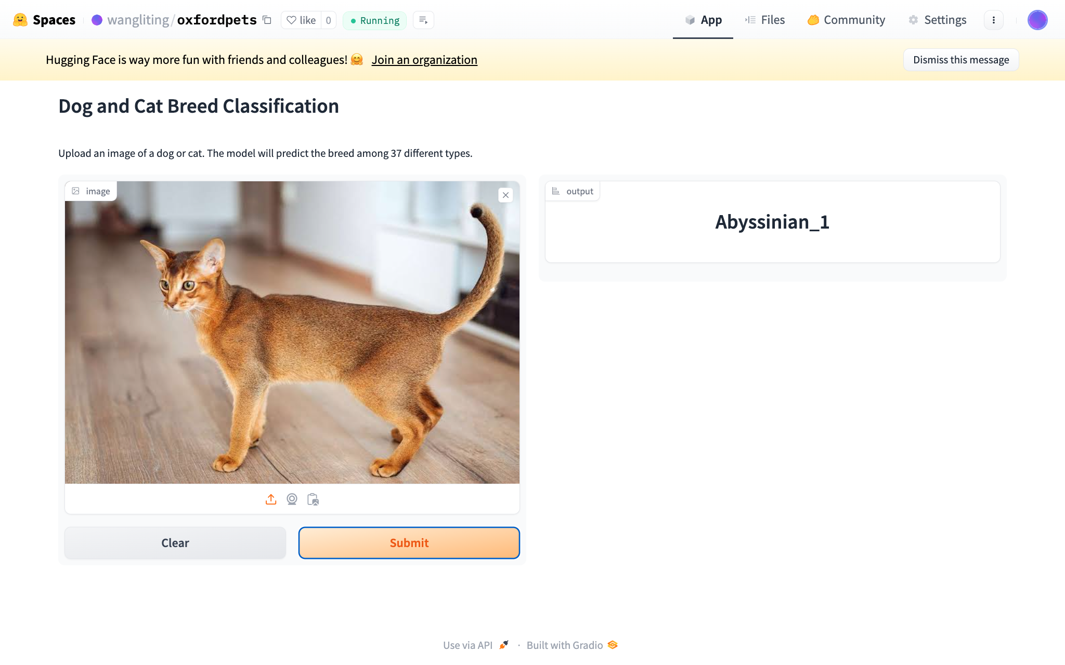 | accurate | Compared to 'TWIST (ResNet-50)' 2021, which achieved an accuracy of 94.5%, my ResNet-50 trained last layer only achieved a lower test accuracy of 70.85% and my ResNet-50 trained all layers only achieved a lower test accuracy of 66% | 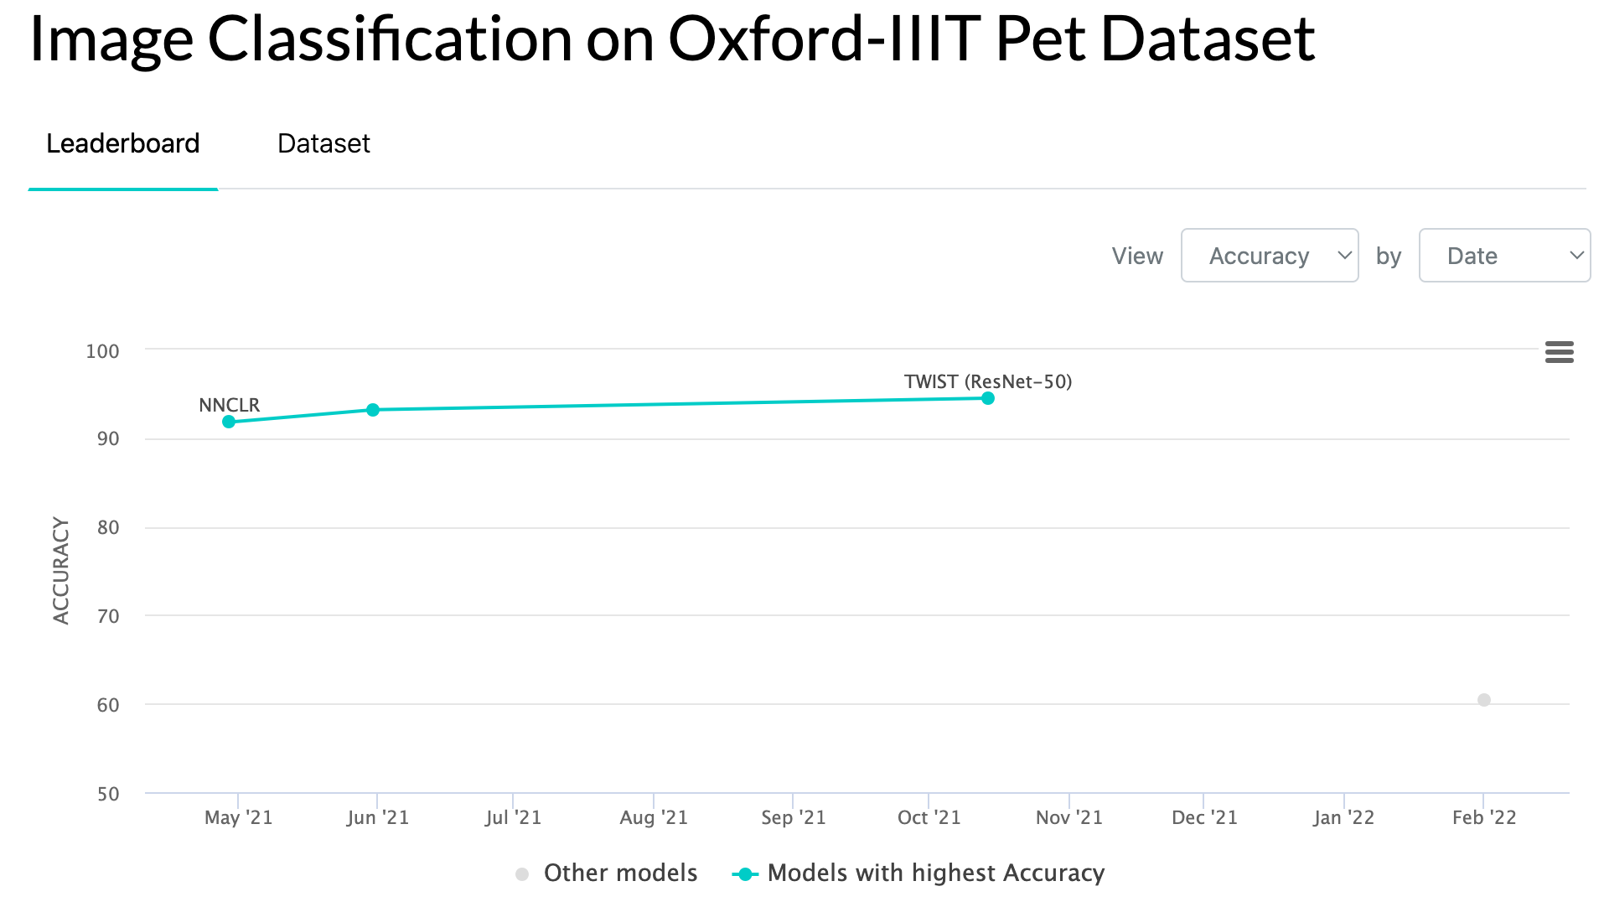
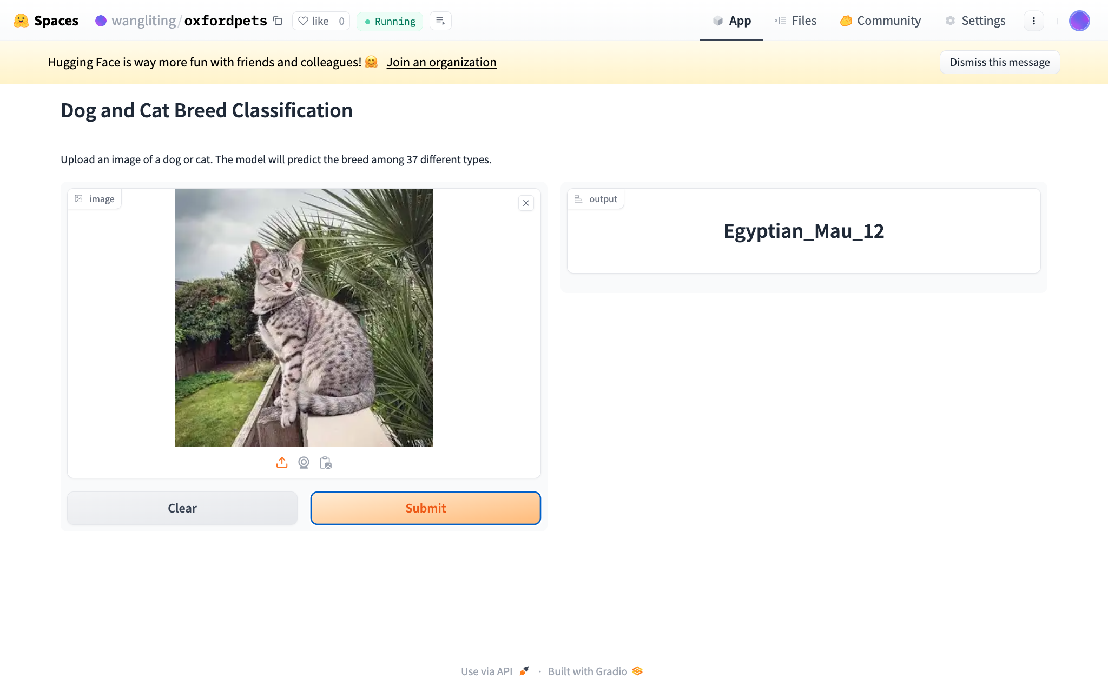 | accurate | Compared to 'OmniVec' 2023, which achieved an accuracy of 99.2%, my ConvNext_Base trained all layers achieved a higher test accuracy of 99.56% | 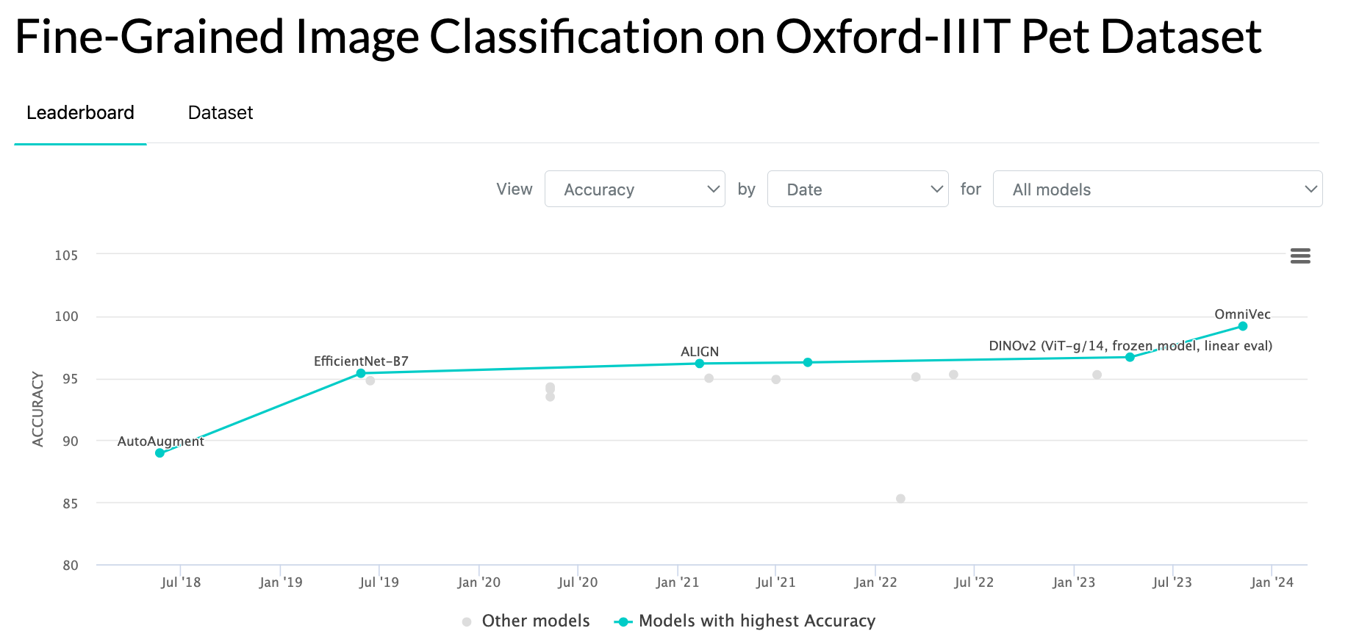
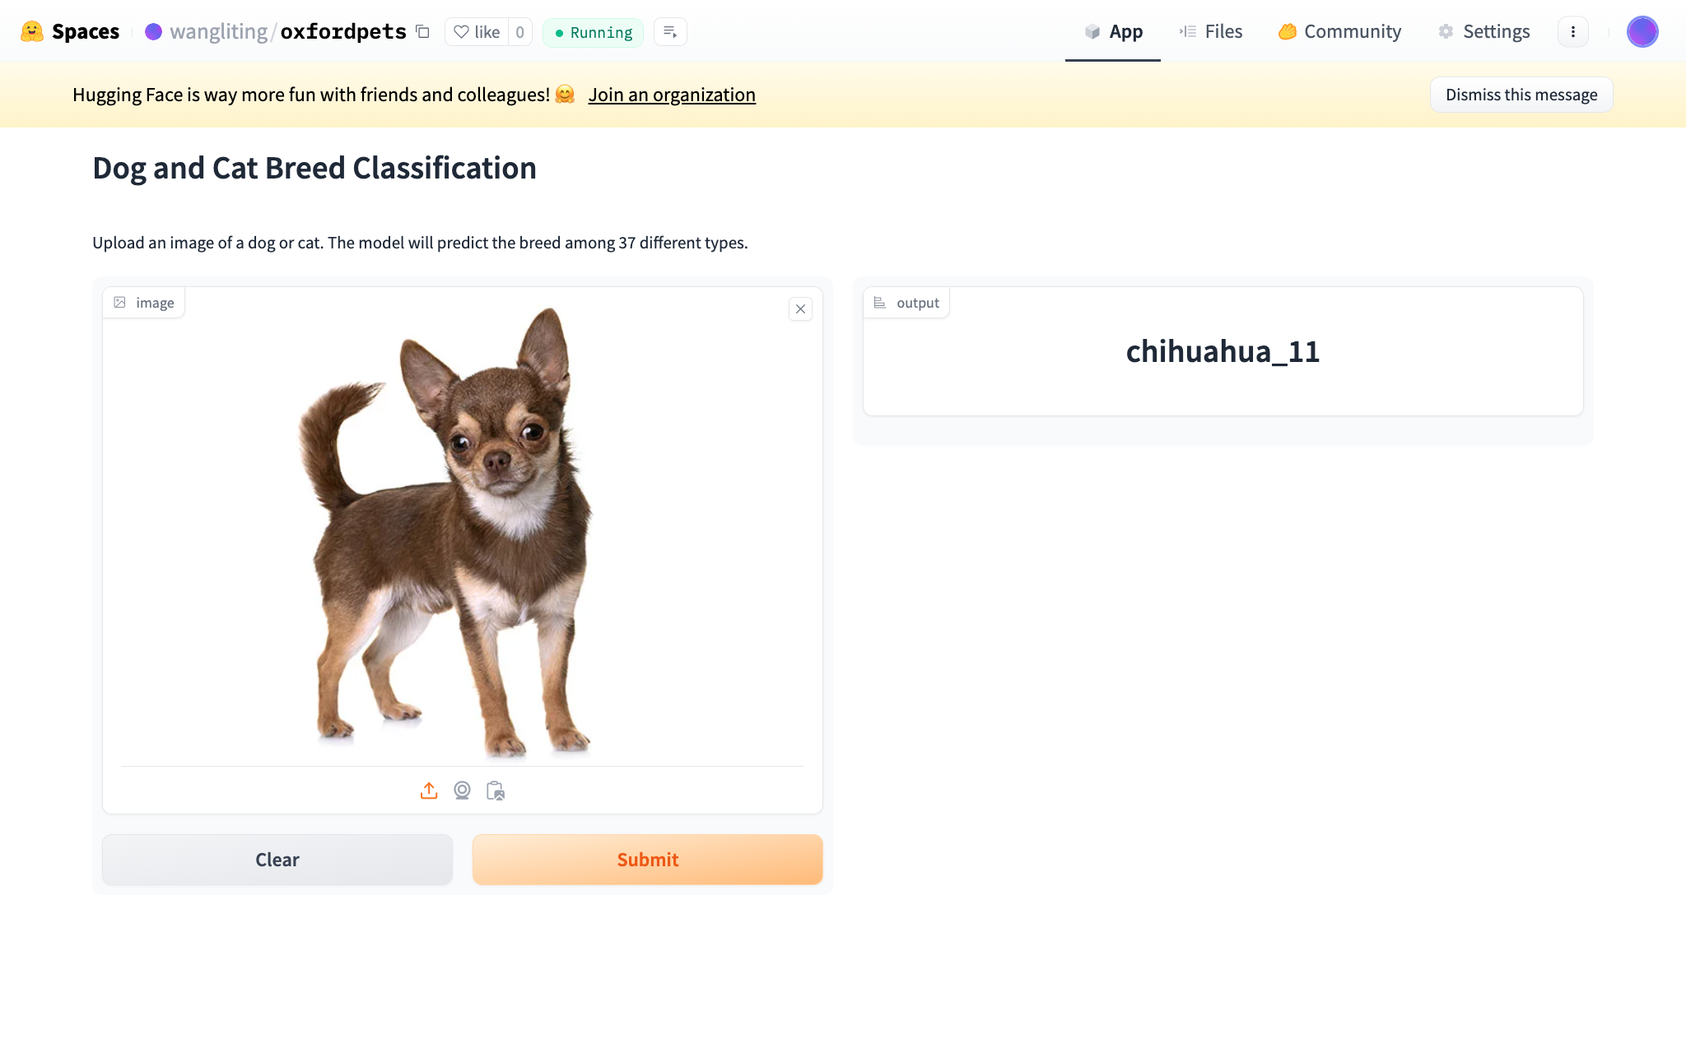 | accurate
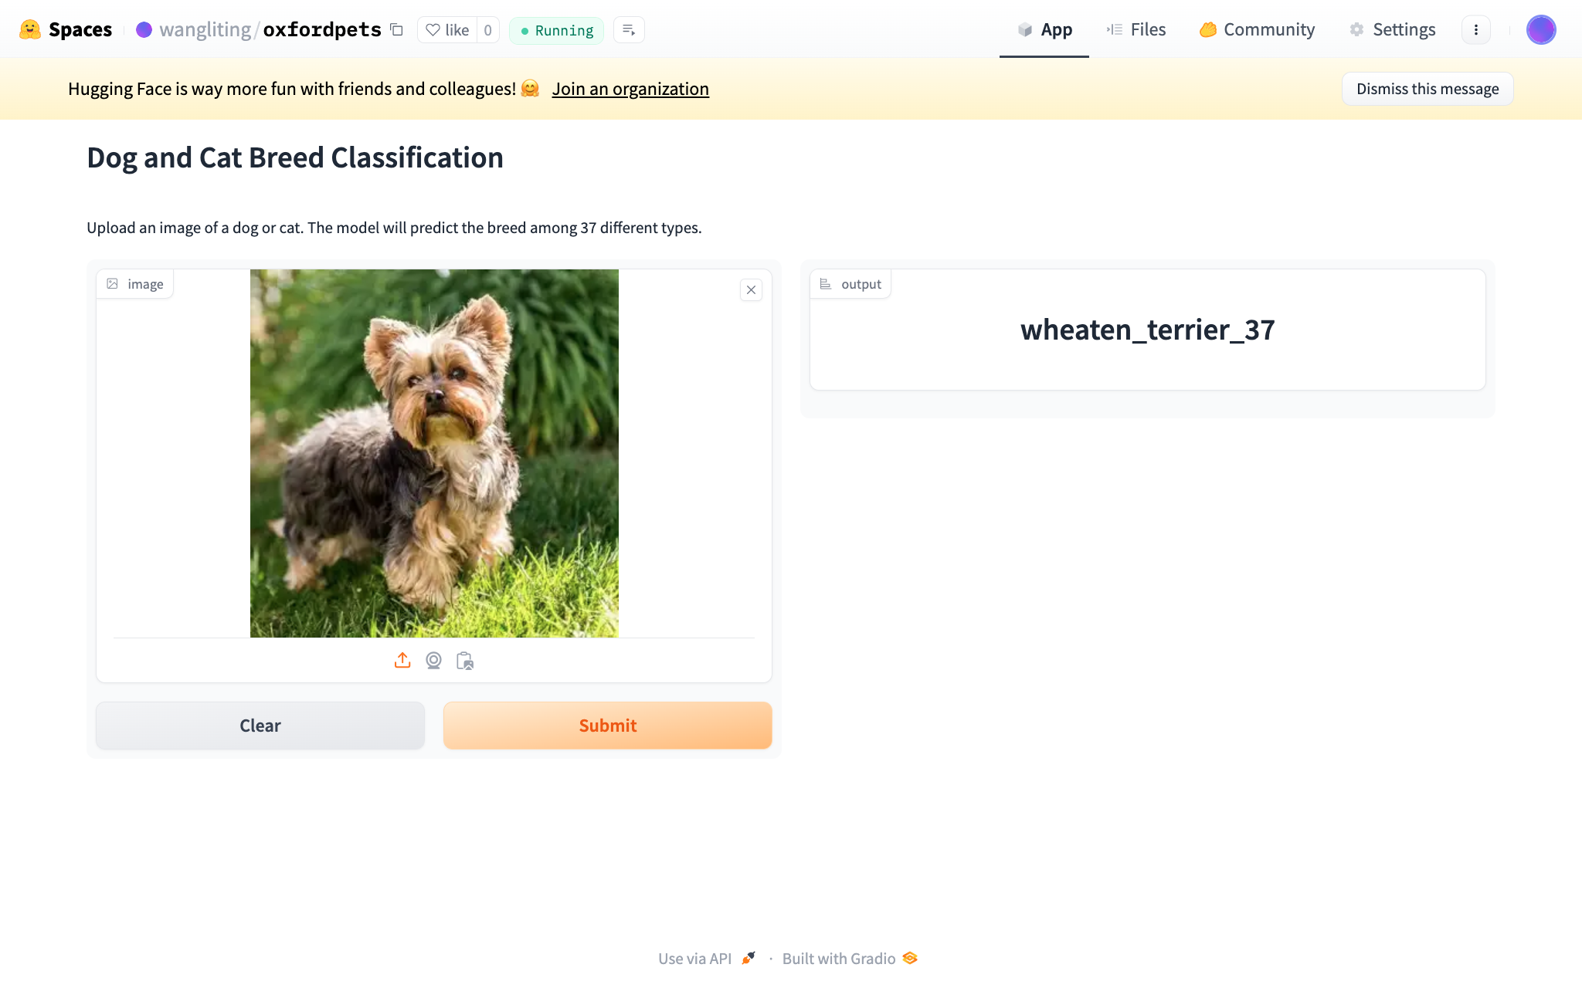 | inaccurate (should be yorkshireterrier)
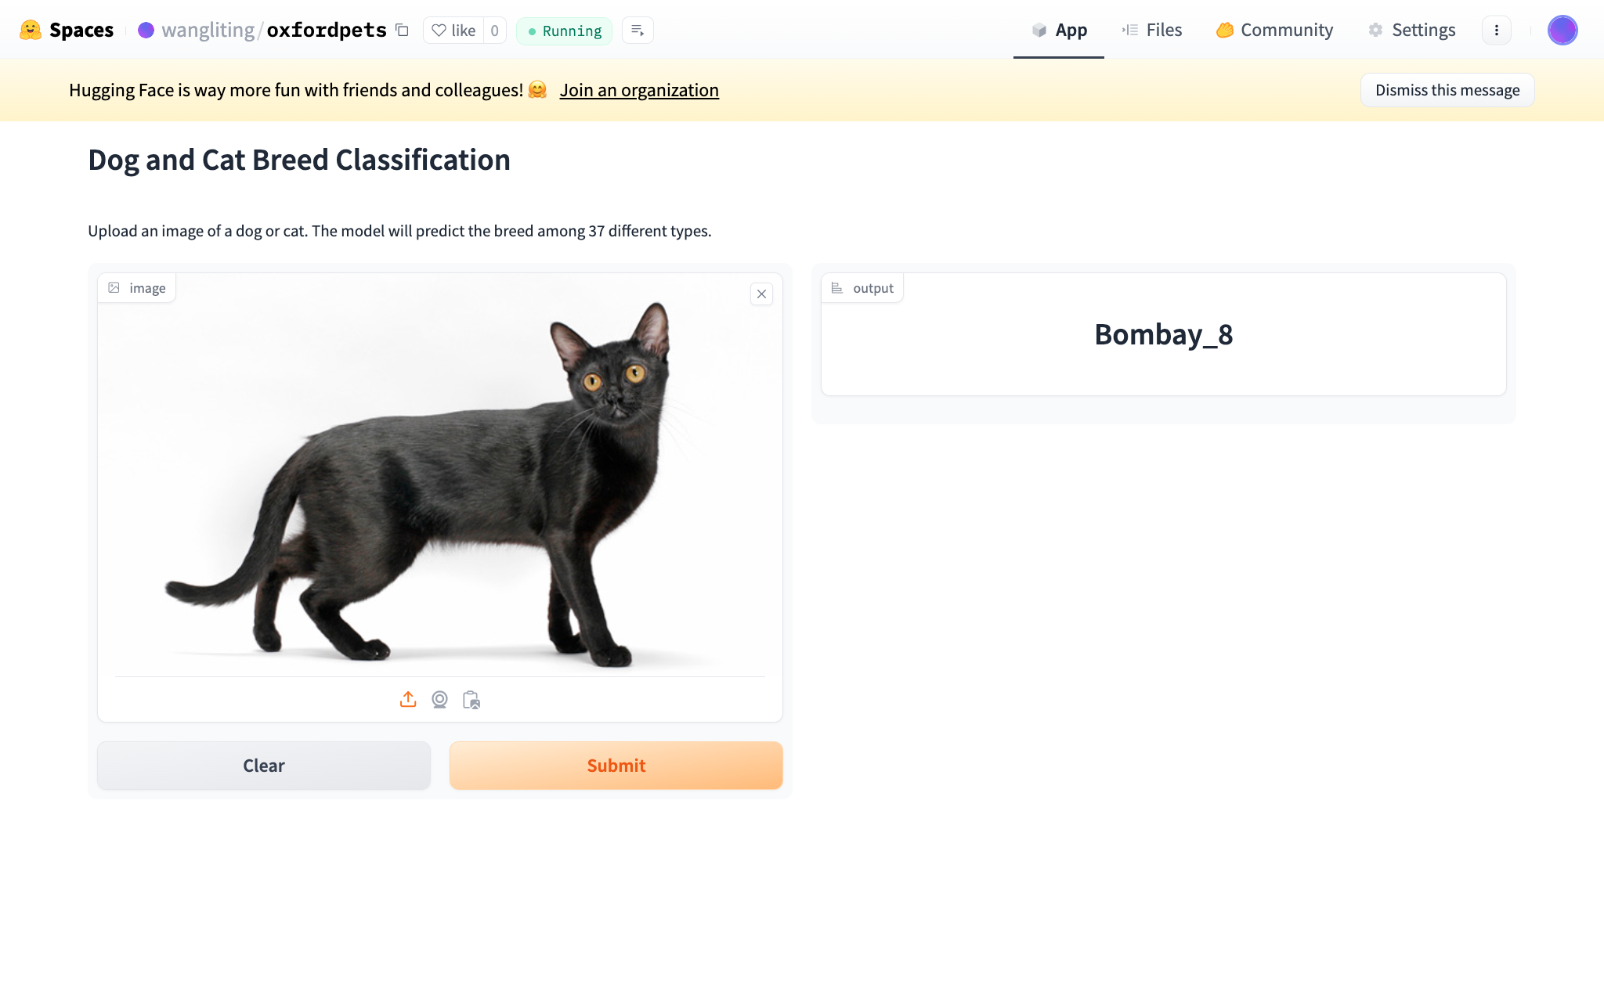 | accurate

